TestSummary
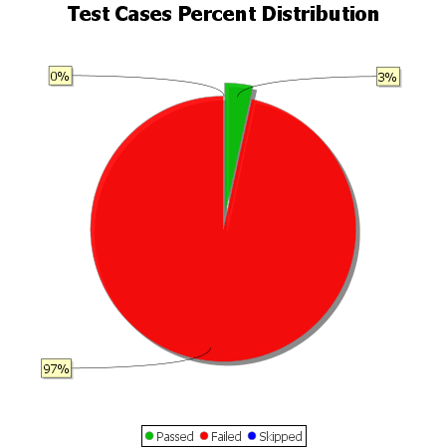
Total Test Cases | 117
Test Cases Passed | 4
Test Cases Failed | 113
Test Cases Skipped | 0

